ScopeData 1
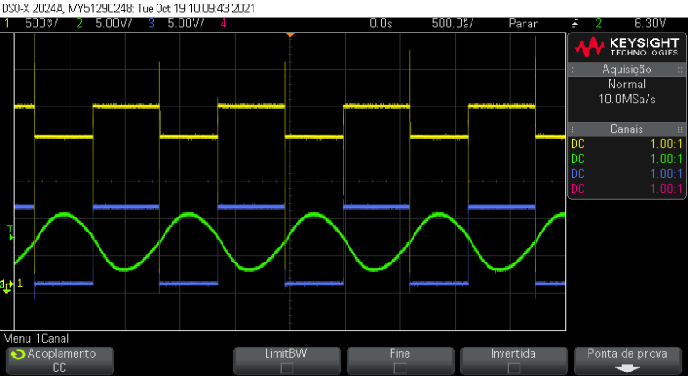
Time (Secs) | CHAN1 | CHAN2 | CHAN3
-0.0025 | 2.373775152 | 2.694723328 | 10.395414483
-0.00245 | 2.393875655 | 3.2977384192 | 10.194409453
-0.0024 | 2.373775152 | 4.3027635712 | 10.395414483
-0.00235 | 2.373775152 | 5.3077887232 | 10.395414483
-0.0023 | 1.9918655942 | 6.1118088448 | 0.1441579328
-0.00225 | 1.9717650912 | 7.1168339968 | -0.0568470976
-0.0022 | 1.9717650912 | 8.1218591488 | 0.1441579328 | chn1 | saida do buffer
-0.00215 | 1.9717650912 | 8.72487424 | 0.1441579328 | chn2 | saida filtro
-0.0021 | 1.9717650912 | 9.3278893312 | 0.1441579328 | chn3 | saida do oscilador (Vm)
-0.00205 | 1.9516645882 | 9.3278893312 | -0.0568470976
-0.002 | 1.9717650912 | 9.1268843008 | 0.1441579328
DSO-X 2024A 09:41, 10/19/2021
-0.00195 | 1.9516645882 | 8.72487424 | 0.1441579328
-0.0019 | 1.9717650912 | 8.3228641792 | 0.1441579328
-0.00185 | 1.9717650912 | 7.3178390272 | 0.1441579328
-0.0018 | 1.9717650912 | 6.5138189056 | 0.1441579328
-0.00175 | 2.373775152 | 5.3077887232 | 10.395414483
-0.0017 | 2.353674649 | 4.1017585408 | 10.596419514
-0.00165 | 2.373775152 | 3.0967333888 | 10.395414483
-0.0016 | 2.373775152 | 2.2927132672 | 10.395414483
-0.00155 | 2.393875655 | 2.0917082368 | 10.395414483
-0.0015 | 2.373775152 | 1.8907032064 | 10.395414483
-0.00145 | 2.373775152 | 2.0917082368 | 10.395414483
-0.0014 | 2.373775152 | 2.2927132672 | 10.395414483
-0.00135 | 2.373775152 | 2.8957283584 | 10.395414483
-0.0013 | 2.373775152 | 3.69974848 | 10.395414483
-0.00125 | 2.373775152 | 4.3027635712 | 10.395414483
-0.0012 | 2.373775152 | 5.3077887232 | 10.596419514
-0.00115 | 1.9717650912 | 6.3128138752 | 0.1441579328
-0.0011 | 1.9717650912 | 7.5188440576 | 0.1441579328
-0.00105 | 1.9717650912 | 8.3228641792 | -0.0568470976
-0.001 | 1.9717650912 | 9.1268843008 | 0.1441579328
-0.00095 | 1.9717650912 | 9.3278893312 | 0.1441579328
-0.0009 | 1.9717650912 | 9.5288943616 | 0.1441579328
-0.00085 | 1.9717650912 | 9.1268843008 | 0.1441579328
-0.0008 | 1.9717650912 | 8.5238692096 | 0.1441579328
-0.00075 | 1.9717650912 | 8.1218591488 | 0.1441579328
-0.0007 | 1.9918655942 | 7.1168339968 | -0.0568470976
-0.00065 | 2.1928706246 | 6.3128138752 | 10.194409453
-0.0006 | 2.393875655 | 5.1067836928 | 10.596419514
-0.00055 | 2.373775152 | 3.69974848 | 10.395414483
-0.0005 | 2.373775152 | 2.8957283584 | 10.596419514
-0.00045 | 2.393875655 | 2.0917082368 | 10.194409453
-0.0004 | 2.373775152 | 1.8907032064 | 10.596419514
-0.00035 | 2.373775152 | 2.0917082368 | 10.395414483
-0.0003 | 2.393875655 | 2.0917082368 | 10.395414483
-0.00025 | 2.393875655 | 2.4937182976 | 10.395414483
-0.0002 | 2.373775152 | 3.0967333888 | 10.395414483
-0.00015 | 2.373775152 | 3.9007535104 | 10.395414483
-0.0001 | 2.373775152 | 4.704773632 | 10.395414483
-0.00005 | 2.373775152 | 5.5087937536 | 10.395414483
6.776263578E-20 | 1.9717650912 | 6.714823936 | -0.0568470976
0.00005 | 1.9918655942 | 7.9208541184 | 0.1441579328
0.0001 | 1.9717650912 | 8.3228641792 | 0.1441579328
0.00015 | 1.9516645882 | 8.9258792704 | 0.1441579328
0.0002 | 1.9717650912 | 9.3278893312 | 0.1441579328
0.00025 | 1.9717650912 | 9.3278893312 | 0.1441579328
0.0003 | 1.9717650912 | 8.9258792704 | 0.1441579328
0.00035 | 1.9717650912 | 8.5238692096 | 0.1441579328
0.0004 | 1.9717650912 | 7.719849088 | -0.0568470976
0.00045 | 1.9717650912 | 6.9158289664 | 0.1441579328
0.0005 | 2.373775152 | 5.9108038144 | 10.596419514
0.00055 | 2.393875655 | 4.704773632 | 10.596419514
0.0006 | 2.393875655 | 3.4987434496 | 10.395414483
0.00065 | 2.393875655 | 2.694723328 | 10.395414483
0.0007 | 2.393875655 | 2.2927132672 | 10.395414483
0.00075 | 2.373775152 | 1.689698176 | 10.395414483
0.0008 | 2.353674649 | 1.8907032064 | 10.395414483
0.00085 | 2.373775152 | 2.2927132672 | 10.596419514
0.0009 | 2.373775152 | 2.694723328 | 10.395414483
0.00095 | 2.393875655 | 3.2977384192 | 10.395414483
0.001 | 2.373775152 | 4.1017585408 | 10.395414483
0.00105 | 2.373775152 | 5.1067836928 | 10.395414483
0.0011 | 1.9717650912 | 5.709798784 | 0.1441579328
0.00115 | 1.9918655942 | 7.1168339968 | 0.1441579328
0.0012 | 1.9717650912 | 7.9208541184 | 0.1441579328
0.00125 | 1.9717650912 | 8.72487424 | 0.1441579328
0.0013 | 1.9717650912 | 9.1268843008 | 0.1441579328
0.00135 | 1.9717650912 | 9.3278893312 | 0.1441579328
0.0014 | 1.9717650912 | 9.5288943616 | 0.1441579328
0.00145 | 1.9717650912 | 8.72487424 | 0.1441579328
0.0015 | 1.9717650912 | 8.3228641792 | 0.1441579328
0.00155 | 1.9717650912 | 7.5188440576 | -0.0568470976
0.0016 | 1.9516645882 | 6.5138189056 | 0.1441579328
0.00165 | 2.373775152 | 5.5087937536 | 10.395414483
0.0017 | 2.393875655 | 4.3027635712 | 10.395414483
0.00175 | 2.373775152 | 3.2977384192 | 10.194409453
0.0018 | 2.393875655 | 2.4937182976 | 10.395414483
0.00185 | 2.353674649 | 1.8907032064 | 10.395414483
0.0019 | 2.373775152 | 1.8907032064 | 10.596419514
0.00195 | 2.373775152 | 1.8907032064 | 10.395414483
0.002 | 2.373775152 | 2.4937182976 | 10.596419514
0.00205 | 2.373775152 | 2.694723328 | 10.395414483
0.0021 | 2.393875655 | 3.69974848 | 10.395414483
0.00215 | 2.393875655 | 4.1017585408 | 10.395414483
0.0022 | 2.373775152 | 5.1067836928 | 10.395414483
0.00225 | 1.9918655942 | 6.1118088448 | 0.1441579328
0.0023 | 1.9918655942 | 7.3178390272 | -0.0568470976
0.00235 | 1.9717650912 | 8.1218591488 | -0.0568470976
0.0024 | 1.9717650912 | 8.72487424 | 0.1441579328
0.00245 | 1.9918655942 | 9.1268843008 | 0.1441579328

